Wireframes
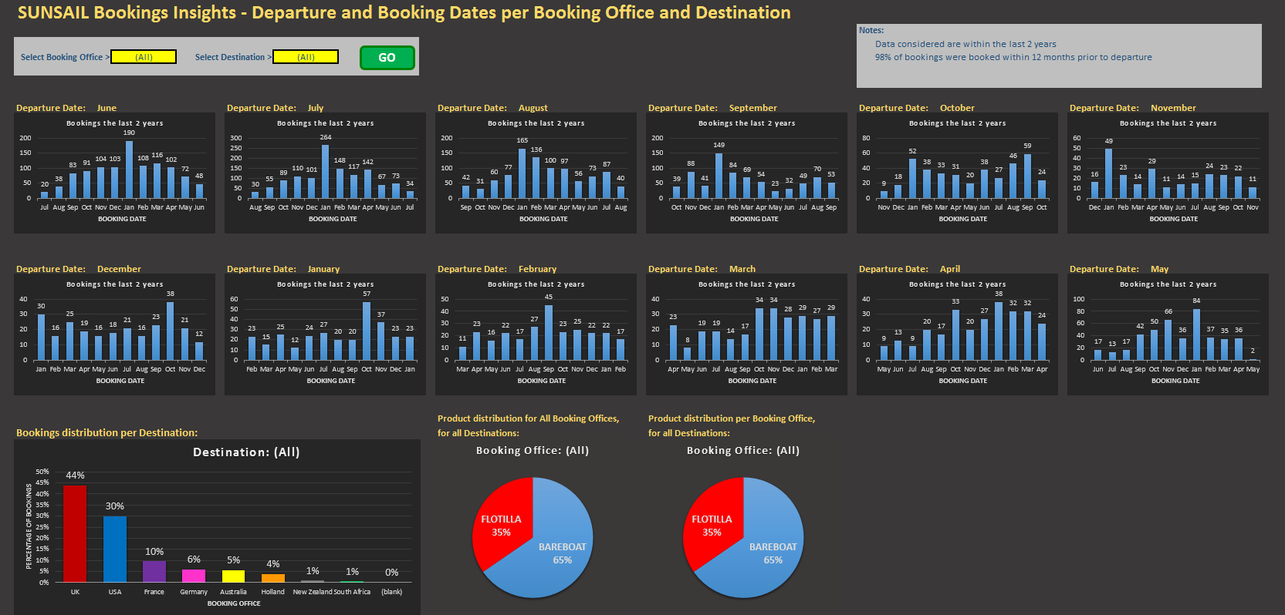
 |  |  | Filters
 |  |  | Booking Office
 |  |  | Destination Base
 |  |  | Destination Country

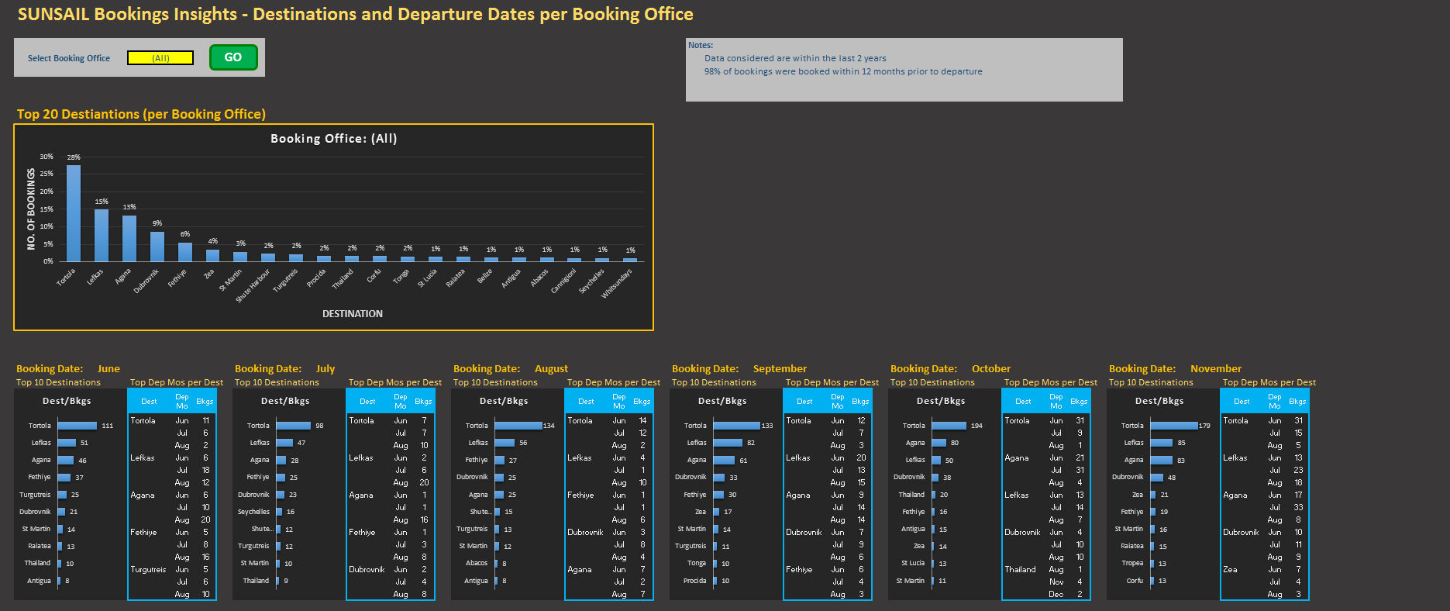
 |  |  | Filter
 |  |  | Booking Office
 |  |  | Bookings/ quotes
 |  |  | Country of contact
 |  |  | State of contact

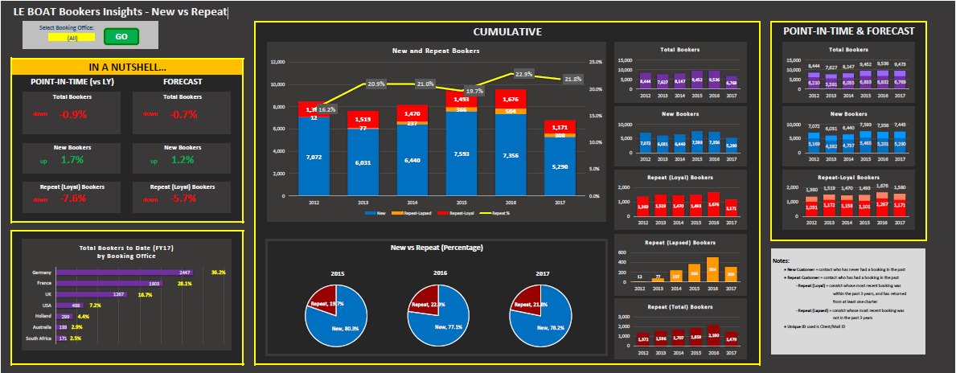
 |  |  | Filters
 |  |  | Booking Office
 |  |  | Client country
 |  |  | Destination Base
 |  |  | Destination Country
 |  |  | Product | (yachts only)
 |  |  | Hull type | (yachts only)
 |  |  | Break length | (Le Boat only)

Database size by FY
 | a-Booking | b-Quote | c-Brochure Request | d-Enews
2014 | 35388 | 23 | 31980 | 4430
2015 | 42878 | 391 | 44388 | 8772
2016 | 50019 | 3809 | 54923 | 12187
2017 | 55100 | 5353 | 65362 | 15074
Database growth May
 | a-Booking | b-Quote | c-Brochure Request | d-Enews
5-2014 | 529 | 0 | 1060 | 339
5-2015 | 578 | 1 | 518 | 382
5-2016 | 552 | 305 | 822 | 321
5-2017 | 554 | 211 | 1411 | 301
 | Filters
 | Booking Office
 | Client country
 | Emailable
 | Mailable
 | Phoneable
 | Goneaway
 | Blacklisted

Database growth last 3 months
 | a-Booking | b-Quote | c-Brochure Request | d-Enews
3-2017 | 822 | 262 | 1170 | 282
4-2017 | 643 | 177 | 1148 | 325
5-2017 | 554 | 211 | 1411 | 301

 | Filters
 | Booking Office
 | Client country
 | Destination Base
 | Destination Country
 | Product | (yachts only)
 | Hull type | (yachts only)
 | Break length | (Le Boat only)

Also
List of contacts processed in the last calendar month scored on reelvant information included (ie full address/ email/ telephone number/ source code) including details of sales agent who processed the record filtered by booking office
Recency of activity of the database banded into months filtered by booking office and country of contact
Pipeline status - could be taken from HubSpot filtered by booking office, destination & departure month
Email report including revenue filtered by market

